STR-1BR-Master-Data
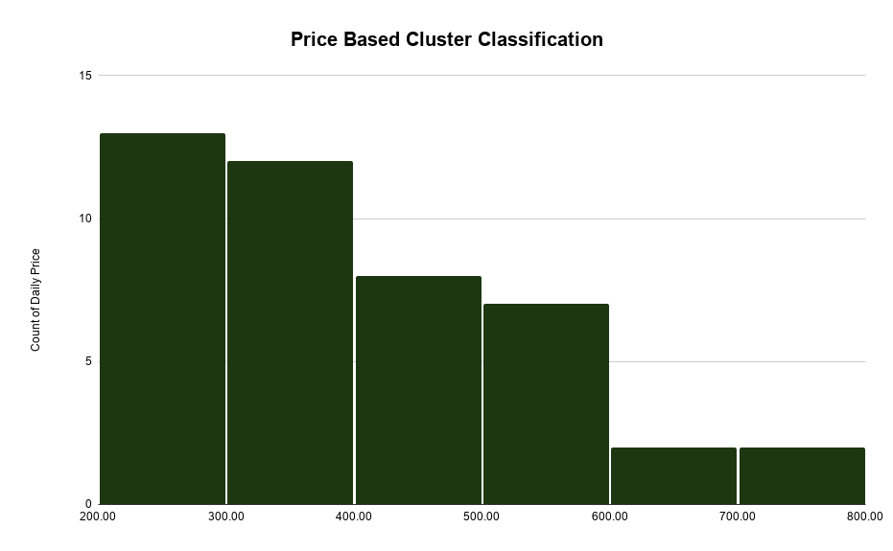
Unit Type | Average | Minimum | Maximum
1Bd | 591 | 406 | 776 | Alternative Method |  |  |  | ملاحظة: يوجد تباين ملحوظ في العينة، كما أن ارتفاع المتوسط عن الوسيط يشير إلى تأثير بعض القيم المرتفعة على المتوسط.
1Bd | 406 | 363 | 449 | Ordinary Method

Metrics
ST.Deviation | 142 |  |  | Unit Name | Type | Status | STR Price | Link
Median | 365 |  |  | شقة بصالة وغرفة نوم انيقة | 1Bd | Furnished | 285 | https://www.airbnb.com/rooms/1725241163796599020?check_in=2026-11-01&check_out=2026-11-02&search_mode=regular_search&source_impression_id=p3_875b0f56-8ba7-4871-858e-9fec5c011d04_e6a6dcb6-cacf-4f74-8667-9addda8daee6_0_1725241163796599020_1&previous_page_section_name=1000&federated_search_id=875b0f56-8ba7-4871-858e-9fec5c011d04
Average | 406 |  |  | Jasmine Apartment/ شقة الياسمين | 1Bd | Furnished | 234 | https://www.airbnb.com/rooms/1760293647028020262?check_in=2026-11-01&check_out=2026-11-02&search_mode=regular_search&source_impression_id=p3_875b0f56-8ba7-4871-858e-9fec5c011d04_e6a6dcb6-cacf-4f74-8667-9addda8daee6_0_1760293647028020262_2&previous_page_section_name=1000&federated_search_id=875b0f56-8ba7-4871-858e-9fec5c011d04
Minimum | 220 |  |  | شقة واسعه بمطبخ مستقل وغساله | 1Bd | Furnished | 252 | https://www.airbnb.com/rooms/1586391591595472231?check_in=2026-11-01&check_out=2026-11-02&search_mode=regular_search&source_impression_id=p3_875b0f56-8ba7-4871-858e-9fec5c011d04_e6a6dcb6-cacf-4f74-8667-9addda8daee6_0_1586391591595472231_6&previous_page_section_name=1000&federated_search_id=875b0f56-8ba7-4871-858e-9fec5c011d04
Maximum | 776 |  |  | Luxury Apartment | Spacious Living& Private Garden | 1Bd | Furnished | 339 | https://www.airbnb.com/rooms/1488457048378593402?check_in=2026-11-01&check_out=2026-11-02&search_mode=regular_search&source_impression_id=p3_875b0f56-8ba7-4871-858e-9fec5c011d04_e6a6dcb6-cacf-4f74-8667-9addda8daee6_0_1488457048378593402_9&previous_page_section_name=1000&federated_search_id=875b0f56-8ba7-4871-858e-9fec5c011d04
 |  |  |  | Luxury 1BR | 75” QLED TV | Moon Bed | 1Bd | Furnished | 485 | https://www.airbnb.com/rooms/1488617192169510040?check_in=2026-11-01&check_out=2026-11-02&search_mode=regular_search&source_impression_id=p3_875b0f56-8ba7-4871-858e-9fec5c011d04_e6a6dcb6-cacf-4f74-8667-9addda8daee6_0_1488617192169510040_12&previous_page_section_name=1000&federated_search_id=875b0f56-8ba7-4871-858e-9fec5c011d04
 |  |  |  | غرفة وصالة مودرن فاخرة B10 | 1Bd | Furnished | 242 | https://www.airbnb.com/rooms/1234709300695901118?check_in=2026-11-01&check_out=2026-11-02&search_mode=regular_search&source_impression_id=p3_875b0f56-8ba7-4871-858e-9fec5c011d04_e6a6dcb6-cacf-4f74-8667-9addda8daee6_0_1234709300695901118_13&previous_page_section_name=1000&federated_search_id=875b0f56-8ba7-4871-858e-9fec5c011d04
 |  |  |  | شقة مكونة من غرفة نوم وصالة ومطبخ مستقل- دخول ذاتي | 1Bd | Furnished | 286 | https://www.airbnb.com/rooms/1718228819081743734?check_in=2026-11-01&check_out=2026-11-02&search_mode=regular_search&source_impression_id=p3_d247e915-8630-4150-bcf0-55f2d8309172_c0270b2a-58d0-4782-8ec6-cacbfbfa0bc3_0_1718228819081743734_4&previous_page_section_name=1000&federated_search_id=d247e915-8630-4150-bcf0-55f2d8309172
 |  |  |  | Yas Home – 1BR Luxury Apartment - No Somking | 1Bd | Furnished | 440 | https://www.airbnb.com/rooms/1566943211087069608?check_in=2026-11-01&check_out=2026-11-02&search_mode=regular_search&source_impression_id=p3_d247e915-8630-4150-bcf0-55f2d8309172_c0270b2a-58d0-4782-8ec6-cacbfbfa0bc3_0_1566943211087069608_7&previous_page_section_name=1000&federated_search_id=d247e915-8630-4150-bcf0-55f2d8309172
 |  |  |  | غرفه وصاله بتصميم مودرن | 1Bd | Furnished | 394 | https://www.airbnb.com/rooms/1197201288311766079?check_in=2026-11-01&check_out=2026-11-02&search_mode=regular_search&source_impression_id=p3_d247e915-8630-4150-bcf0-55f2d8309172_c0270b2a-58d0-4782-8ec6-cacbfbfa0bc3_0_1197201288311766079_8&previous_page_section_name=1000&federated_search_id=d247e915-8630-4150-bcf0-55f2d8309172
 |  |  |  | شقة بتصميم مودرن ودخول ذكي | 1Bd | Furnished | 323 | https://www.airbnb.com/rooms/1488528599203217760?check_in=2026-11-01&check_out=2026-11-02&search_mode=regular_search&source_impression_id=p3_d247e915-8630-4150-bcf0-55f2d8309172_c0270b2a-58d0-4782-8ec6-cacbfbfa0bc3_0_1488528599203217760_10&previous_page_section_name=1000&federated_search_id=d247e915-8630-4150-bcf0-55f2d8309172
 |  |  |  | شقة بصالة وغرفة نوم انيقة | 1Bd | Furnished | 285 | https://www.airbnb.com/rooms/1725241163796599020?check_in=2026-11-01&check_out=2026-11-02&search_mode=regular_search&source_impression_id=p3_875b0f56-8ba7-4871-858e-9fec5c011d04_e6a6dcb6-cacf-4f74-8667-9addda8daee6_0_1725241163796599020_1&previous_page_section_name=1000&federated_search_id=875b0f56-8ba7-4871-858e-9fec5c011d04
 |  |  |  | شقة راقية وفاخرة بدخول ذاتي . | 1Bd | Furnished | 559 | https://www.airbnb.com/rooms/1199363001092225366?check_in=2026-11-01&check_out=2026-11-02&search_mode=regular_search&source_impression_id=p3_d247e915-8630-4150-bcf0-55f2d8309172_c0270b2a-58d0-4782-8ec6-cacbfbfa0bc3_0_1199363001092225366_14&previous_page_section_name=1000&federated_search_id=d247e915-8630-4150-bcf0-55f2d8309172
 |  |  |  | Modern Spacious One-Bedroom Apartment in Al Yasmin | 1Bd | Furnished | 365 | https://www.airbnb.com/rooms/1576938055459886656?check_in=2026-11-01&check_out=2026-11-02&search_mode=regular_search&source_impression_id=p3_d247e915-8630-4150-bcf0-55f2d8309172_c0270b2a-58d0-4782-8ec6-cacbfbfa0bc3_0_1576938055459886656_17&previous_page_section_name=1000&federated_search_id=d247e915-8630-4150-bcf0-55f2d8309172
 |  |  |  | Quiet and comfortable apartment | 1Bd | Furnished | 330 | https://www.airbnb.com/rooms/1461859458177390681?check_in=2026-11-01&check_out=2026-11-02&search_mode=regular_search&source_impression_id=p3_0005114e-d19b-4b2e-acc2-23ceaa248b92_5300222b-0009-4338-9258-5b990c4e7ccc_0_1461859458177390681_0&previous_page_section_name=1000&federated_search_id=0005114e-d19b-4b2e-acc2-23ceaa248b92
 |  |  |  | الرياض-حي الياسمين-شارع الخيالة | 1Bd | Furnished | 333 | https://www.airbnb.com/rooms/1354288093759881828?check_in=2026-11-01&check_out=2026-11-02&search_mode=regular_search&source_impression_id=p3_0005114e-d19b-4b2e-acc2-23ceaa248b92_5300222b-0009-4338-9258-5b990c4e7ccc_0_1354288093759881828_1&previous_page_section_name=1000&federated_search_id=0005114e-d19b-4b2e-acc2-23ceaa248b92
 |  |  |  | إقامة مريحة وقريبة من كل شيء | 1Bd | Furnished | 314 | https://www.airbnb.com/rooms/1631258049931636458?check_in=2026-11-01&check_out=2026-11-02&search_mode=regular_search&source_impression_id=p3_0005114e-d19b-4b2e-acc2-23ceaa248b92_5300222b-0009-4338-9258-5b990c4e7ccc_0_1631258049931636458_4&previous_page_section_name=1000&federated_search_id=0005114e-d19b-4b2e-acc2-23ceaa248b92
 |  |  |  | Modern Spacious One-Bedroom Apartment in Al Yasmin | 1Bd | Furnished | 365 | https://www.airbnb.com/rooms/1576938055459886656?check_in=2026-11-01&check_out=2026-11-02&search_mode=regular_search&source_impression_id=p3_0005114e-d19b-4b2e-acc2-23ceaa248b92_5300222b-0009-4338-9258-5b990c4e7ccc_0_1576938055459886656_5&previous_page_section_name=1000&federated_search_id=0005114e-d19b-4b2e-acc2-23ceaa248b92
 |  |  |  | شقة مكونة من غرفة نوم وصالة ومطبخ مستقل- دخول ذاتي | 1Bd | Furnished | 343 | https://www.airbnb.com/rooms/1671652787253147296?check_in=2026-11-01&check_out=2026-11-02&search_mode=regular_search&source_impression_id=p3_0005114e-d19b-4b2e-acc2-23ceaa248b92_5300222b-0009-4338-9258-5b990c4e7ccc_0_1671652787253147296_7&previous_page_section_name=1000&federated_search_id=0005114e-d19b-4b2e-acc2-23ceaa248b92
 |  |  |  | شقة مكونة من غرفة نوم وصالة ومطبخ مستقل- دخول ذاتي | 1Bd | Furnished | 286 | https://www.airbnb.com/rooms/1699389286515038979?check_in=2026-11-01&check_out=2026-11-02&search_mode=regular_search&source_impression_id=p3_0005114e-d19b-4b2e-acc2-23ceaa248b92_5300222b-0009-4338-9258-5b990c4e7ccc_0_1699389286515038979_8&previous_page_section_name=1000&federated_search_id=0005114e-d19b-4b2e-acc2-23ceaa248b92
 |  |  |  | شقة فاخرة صالة وغرفة نوم ومطبخ دخول ذاتي | 1Bd | Furnished | 529 | https://www.airbnb.com/rooms/1378286979082720492?check_in=2026-11-01&check_out=2026-11-02&search_mode=regular_search&source_impression_id=p3_0005114e-d19b-4b2e-acc2-23ceaa248b92_5300222b-0009-4338-9258-5b990c4e7ccc_0_1378286979082720492_13&previous_page_section_name=1000&federated_search_id=0005114e-d19b-4b2e-acc2-23ceaa248b92
 |  |  |  | Stylish 1BR Retreat | 70” 4K TV | 1Bd | Furnished | 457 | https://www.airbnb.com/rooms/1226191966417763309?check_in=2026-11-01&check_out=2026-11-02&search_mode=regular_search&source_impression_id=p3_0005114e-d19b-4b2e-acc2-23ceaa248b92_5300222b-0009-4338-9258-5b990c4e7ccc_0_1226191966417763309_15&previous_page_section_name=1000&federated_search_id=0005114e-d19b-4b2e-acc2-23ceaa248b92
 |  |  |  | cozy apartment in Yassmin | 1Bd | Furnished | 473 | https://www.airbnb.com/rooms/1048354414030518289?check_in=2026-11-01&check_out=2026-11-02&search_mode=regular_search&source_impression_id=p3_337973f2-5fae-4554-99f5-e34e49d8448b_b9db75bf-3dde-46f6-9d99-8db2c1e95854_0_1048354414030518289_1&previous_page_section_name=1000&federated_search_id=337973f2-5fae-4554-99f5-e34e49d8448b
 |  |  |  | 7A Al Yasmin 1Bdrm | 1Bd | Furnished | 276 | https://www.airbnb.com/rooms/1278597415873352543?check_in=2026-11-01&check_out=2026-11-02&search_mode=regular_search&source_impression_id=p3_337973f2-5fae-4554-99f5-e34e49d8448b_b9db75bf-3dde-46f6-9d99-8db2c1e95854_0_1278597415873352543_2&previous_page_section_name=1000&federated_search_id=337973f2-5fae-4554-99f5-e34e49d8448b
 |  |  |  | شقة مكونة من غرفة نوم وصالة ومطبخ مستقل- دخول ذاتي | 1Bd | Furnished | 514 | https://www.airbnb.com/rooms/1573296868778820934?check_in=2026-11-01&check_out=2026-11-02&search_mode=regular_search&source_impression_id=p3_337973f2-5fae-4554-99f5-e34e49d8448b_b9db75bf-3dde-46f6-9d99-8db2c1e95854_0_1573296868778820934_11&previous_page_section_name=1000&federated_search_id=337973f2-5fae-4554-99f5-e34e49d8448b
 |  |  |  | 5D Spacious 1bdrm Aprt | 1Bd | Furnished | 334 | https://www.airbnb.com/rooms/1289982751515512010?check_in=2026-11-01&check_out=2026-11-02&search_mode=regular_search&source_impression_id=p3_57e8a509-6395-4dc7-9fed-ce58c755df78_f2fa41f6-869f-425e-adbc-d4258806bf36_0_1289982751515512010_2&previous_page_section_name=1000&federated_search_id=57e8a509-6395-4dc7-9fed-ce58c755df78
 |  |  |  | Pink Key Apartment | 1Bd | Furnished | 480 | https://www.airbnb.com/rooms/1379087572456659594?check_in=2026-11-01&check_out=2026-11-02&search_mode=regular_search&source_impression_id=p3_57e8a509-6395-4dc7-9fed-ce58c755df78_f2fa41f6-869f-425e-adbc-d4258806bf36_0_1379087572456659594_10&previous_page_section_name=1000&federated_search_id=57e8a509-6395-4dc7-9fed-ce58c755df78
 |  |  |  | 5A Cozy stylish one bedroom | 1Bd | Furnished | 299 | https://www.airbnb.com/rooms/1283271642366856408?check_in=2026-11-01&check_out=2026-11-02&search_mode=regular_search&source_impression_id=p3_57e8a509-6395-4dc7-9fed-ce58c755df78_f2fa41f6-869f-425e-adbc-d4258806bf36_0_1283271642366856408_14&previous_page_section_name=1000&federated_search_id=57e8a509-6395-4dc7-9fed-ce58c755df78
 |  |  |  | شقه واسعه من غرفة ونوم وصالة ومطبخ مستقل | 1Bd | Furnished | 252 | https://www.airbnb.com/rooms/1712922981318064575?check_in=2026-11-01&check_out=2026-11-02&search_mode=regular_search&source_impression_id=p3_57e8a509-6395-4dc7-9fed-ce58c755df78_f2fa41f6-869f-425e-adbc-d4258806bf36_0_1712922981318064575_12&previous_page_section_name=1000&federated_search_id=57e8a509-6395-4dc7-9fed-ce58c755df78
 |  |  |  | 4D Comfy Studio al Yasmin | 1Bd | Furnished | 279 | https://www.airbnb.com/rooms/1279719115199331526?check_in=2026-11-01&check_out=2026-11-02&search_mode=regular_search&source_impression_id=p3_57e8a509-6395-4dc7-9fed-ce58c755df78_f2fa41f6-869f-425e-adbc-d4258806bf36_0_1279719115199331526_16&previous_page_section_name=1000&federated_search_id=57e8a509-6395-4dc7-9fed-ce58c755df78
 |  |  |  | Blue Key Apartments | 1Bd | Furnished | 659 | https://www.airbnb.com/rooms/1339928765660249695?check_in=2026-11-01&check_out=2026-11-02&search_mode=regular_search&source_impression_id=p3_4cf6b23c-90cc-4ede-88ef-d0e1c1395265_6e7c5c19-81dd-40d1-a79e-6633780aeb3f_0_1339928765660249695_1&previous_page_section_name=1000&federated_search_id=4cf6b23c-90cc-4ede-88ef-d0e1c1395265
 |  |  |  | شقة سكنية - 01 | 1Bd | Furnished | 220 | https://www.airbnb.com/rooms/809545986693249318?check_in=2026-11-01&check_out=2026-11-02&search_mode=regular_search&source_impression_id=p3_4cf6b23c-90cc-4ede-88ef-d0e1c1395265_6e7c5c19-81dd-40d1-a79e-6633780aeb3f_0_809545986693249318_4&previous_page_section_name=1000&federated_search_id=4cf6b23c-90cc-4ede-88ef-d0e1c1395265
 |  |  |  | Riyadh Stunning Rooftop Apartment | 1Bd | Furnished | 590 | https://www.airbnb.com/rooms/1020212501016818212?check_in=2026-11-01&check_out=2026-11-02&search_mode=regular_search&source_impression_id=p3_4cf6b23c-90cc-4ede-88ef-d0e1c1395265_6e7c5c19-81dd-40d1-a79e-6633780aeb3f_0_1020212501016818212_15&previous_page_section_name=1000&federated_search_id=4cf6b23c-90cc-4ede-88ef-d0e1c1395265
 |  |  |  | شقة مورث B1 | 1Bd | Furnished | 776 | https://www.airbnb.com/rooms/1282010387192707736?check_in=2026-11-01&check_out=2026-11-02&search_mode=regular_search&source_impression_id=p3_29e33373-d2d5-4ad4-8a43-9a9fa1ac81f0_279f7c8a-511d-430e-9590-25a335af3531_0_1282010387192707736_4&previous_page_section_name=1000&federated_search_id=29e33373-d2d5-4ad4-8a43-9a9fa1ac81f0
 |  |  |  | Cozy One Bedroom Apartment With outdoor space | 1Bd | Furnished | 571 | https://www.airbnb.com/rooms/1414566180795561409?check_in=2026-11-01&check_out=2026-11-02&search_mode=regular_search&source_impression_id=p3_29e33373-d2d5-4ad4-8a43-9a9fa1ac81f0_279f7c8a-511d-430e-9590-25a335af3531_0_1414566180795561409_3&previous_page_section_name=1000&federated_search_id=29e33373-d2d5-4ad4-8a43-9a9fa1ac81f0
 |  |  |  | Rod Home شقة مودرن بتصميم راقي | 1Bd | Furnished | 400 | https://www.airbnb.com/rooms/1487165956428853157?check_in=2026-11-01&check_out=2026-11-02&search_mode=regular_search&source_impression_id=p3_29e33373-d2d5-4ad4-8a43-9a9fa1ac81f0_279f7c8a-511d-430e-9590-25a335af3531_0_1487165956428853157_7&previous_page_section_name=1000&federated_search_id=29e33373-d2d5-4ad4-8a43-9a9fa1ac81f0
 |  |  |  | غرفة وصالة فاخرة الماجدية | 1Bd | Furnished | 685 | https://www.airbnb.com/rooms/1473998361381672422?check_in=2026-11-01&check_out=2026-11-02&search_mode=regular_search&source_impression_id=p3_29e33373-d2d5-4ad4-8a43-9a9fa1ac81f0_279f7c8a-511d-430e-9590-25a335af3531_0_1473998361381672422_11&previous_page_section_name=1000&federated_search_id=29e33373-d2d5-4ad4-8a43-9a9fa1ac81f0
 |  |  |  | شقة في فلة في حي الياسمين قريبا من جميع الخدمات | 1Bd | Furnished | 500 | https://www.airbnb.com/rooms/1544490012420001210?check_in=2026-11-01&check_out=2026-11-02&search_mode=regular_search&source_impression_id=p3_29e33373-d2d5-4ad4-8a43-9a9fa1ac81f0_279f7c8a-511d-430e-9590-25a335af3531_0_1544490012420001210_15&previous_page_section_name=1000&federated_search_id=29e33373-d2d5-4ad4-8a43-9a9fa1ac81f0
 |  |  |  | refal h | 1Bd | Furnished | 760 | https://www.airbnb.com/rooms/1731378339534694548?check_in=2026-11-01&check_out=2026-11-02&search_mode=regular_search&source_impression_id=p3_29e33373-d2d5-4ad4-8a43-9a9fa1ac81f0_279f7c8a-511d-430e-9590-25a335af3531_0_1731378339534694548_16&previous_page_section_name=1000&federated_search_id=29e33373-d2d5-4ad4-8a43-9a9fa1ac81f0
 |  |  |  | شقه واسعه مكونه من صالة وغرفه نوم ومطبخ مستقل | 1Bd | Furnished | 503 | https://www.airbnb.com/rooms/1574137347883943164?check_in=2026-11-01&check_out=2026-11-02&search_mode=regular_search&source_impression_id=p3_33925b93-d87a-4366-b480-fb3fa94a82bc_3ac769be-d5e8-44a8-89d2-ef4b6bf1d35a_0_1574137347883943164_7&previous_page_section_name=1000&federated_search_id=33925b93-d87a-4366-b480-fb3fa94a82bc
 |  |  |  | شقه واسعه تتكون من غرفة نوم وصالة | 1Bd | Furnished | 457 | https://www.airbnb.com/rooms/1574134612542730790?check_in=2026-11-01&check_out=2026-11-02&search_mode=regular_search&source_impression_id=p3_33925b93-d87a-4366-b480-fb3fa94a82bc_3ac769be-d5e8-44a8-89d2-ef4b6bf1d35a_0_1574134612542730790_9&previous_page_section_name=1000&federated_search_id=33925b93-d87a-4366-b480-fb3fa94a82bc
 |  |  |  | شقة بغرفة و صالة | 1Bd | Furnished | 263 | https://www.airbnb.com/rooms/1538535131987304726?check_in=2026-11-01&check_out=2026-11-02&search_mode=regular_search&source_impression_id=p3_33925b93-d87a-4366-b480-fb3fa94a82bc_3ac769be-d5e8-44a8-89d2-ef4b6bf1d35a_0_1538535131987304726_17&previous_page_section_name=1000&federated_search_id=33925b93-d87a-4366-b480-fb3fa94a82bc
 |  |  |  | شقه راقيه وهاديه | 1Bd | Furnished | 378 | https://www.airbnb.com/rooms/1730569573638988172?check_in=2026-11-01&check_out=2026-11-02&search_mode=regular_search&source_impression_id=p3_995c1a87-5b3c-4baf-95da-cad58d2e60b1_ec52d7f6-3e0e-42ce-98f9-ca1efaafb1ac_0_1730569573638988172_7&previous_page_section_name=1000&federated_search_id=995c1a87-5b3c-4baf-95da-cad58d2e60b1
 |  |  |  | شقه راقيه جدا | 1Bd | Furnished | 420 | https://www.airbnb.com/rooms/1730579750443147599?check_in=2026-11-01&check_out=2026-11-02&search_mode=regular_search&source_impression_id=p3_995c1a87-5b3c-4baf-95da-cad58d2e60b1_ec52d7f6-3e0e-42ce-98f9-ca1efaafb1ac_0_1730579750443147599_6&previous_page_section_name=1000&federated_search_id=995c1a87-5b3c-4baf-95da-cad58d2e60b1
 |  |  |  | Apartment with One-Bedroom | 1Bd | Furnished | 342 | https://www.airbnb.com/rooms/1212054233269514580?check_in=2026-11-01&check_out=2026-11-02&search_mode=regular_search&source_impression_id=p3_995c1a87-5b3c-4baf-95da-cad58d2e60b1_ec52d7f6-3e0e-42ce-98f9-ca1efaafb1ac_0_1212054233269514580_9&previous_page_section_name=1000&federated_search_id=995c1a87-5b3c-4baf-95da-cad58d2e60b1

STR-2BR-Master-Data
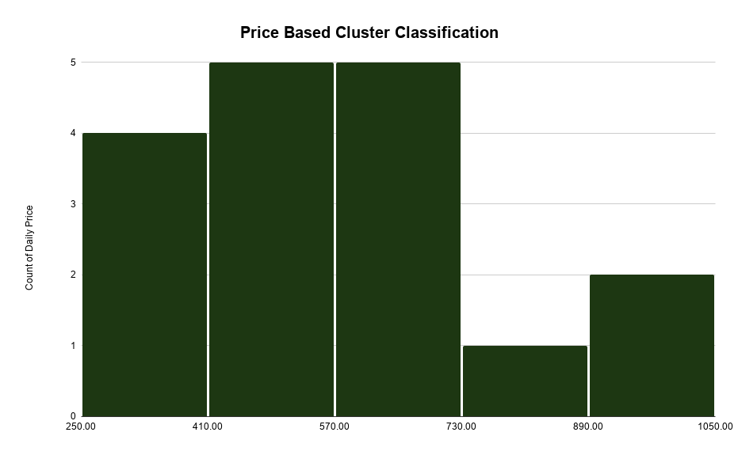
Unit Type | Average | Minimum | Maximum
2Bd | 795 | 586 | 1,005 | Alternative Method
2Bd | 586 | 483 | 689 | Ordinary Method

Metrics
ST.Deviation | 201 |  |  | Unit Name | Type | Status | STR Price | Link
Median | 545 |  |  | شقة فاخرة بغرفتين نوم 8 | 2Bd | Furnished | 545 | https://www.airbnb.com/rooms/1691344177896990977?check_in=2026-11-01&check_out=2026-11-02&search_mode=regular_search&source_impression_id=p3_256f262a-df40-46ff-a687-e4568bd3429e_cac85e21-98d8-461c-9934-d1dc4abbb7be_0_1691344177896990977_0&previous_page_section_name=1000&federated_search_id=256f262a-df40-46ff-a687-e4568bd3429e
Average | 586 |  |  | (12) غرفتين وصالة | 2Bd | Furnished | 369 | https://www.airbnb.com/rooms/1742848916354983452?check_in=2026-11-01&check_out=2026-11-02&search_mode=regular_search&source_impression_id=p3_256f262a-df40-46ff-a687-e4568bd3429e_cac85e21-98d8-461c-9934-d1dc4abbb7be_0_1742848916354983452_3&previous_page_section_name=1000&federated_search_id=256f262a-df40-46ff-a687-e4568bd3429e
Minimum | 263 |  |  | (B6) غرفتين وصالة | 2Bd | Furnished | 393 | https://www.airbnb.com/rooms/1745745139547335984?check_in=2026-11-01&check_out=2026-11-02&search_mode=regular_search&source_impression_id=p3_256f262a-df40-46ff-a687-e4568bd3429e_cac85e21-98d8-461c-9934-d1dc4abbb7be_0_1745745139547335984_11&previous_page_section_name=1000&federated_search_id=256f262a-df40-46ff-a687-e4568bd3429e
Maximum | 1,005 |  |  | Spacious 2Bd APT | Cinema Room | 2Bd | Furnished | 515 | https://www.airbnb.com/rooms/1716647462756805887?check_in=2026-11-01&check_out=2026-11-02&search_mode=regular_search&source_impression_id=p3_256f262a-df40-46ff-a687-e4568bd3429e_cac85e21-98d8-461c-9934-d1dc4abbb7be_0_1716647462756805887_10&previous_page_section_name=1000&federated_search_id=256f262a-df40-46ff-a687-e4568bd3429e
 |  |  |  | Spacious Luxury 2BR | 3 Beds | Cinema Room | 2Bd | Furnished | 899 | https://www.airbnb.com/rooms/1694459708079330352?check_in=2026-11-01&check_out=2026-11-02&search_mode=regular_search&source_impression_id=p3_256f262a-df40-46ff-a687-e4568bd3429e_cac85e21-98d8-461c-9934-d1dc4abbb7be_0_1694459708079330352_14&previous_page_section_name=1000&federated_search_id=256f262a-df40-46ff-a687-e4568bd3429e
 |  |  |  | LUHA | Stylish 2BR• Spacious Living & Pool Table | 2Bd | Furnished | 497 | https://www.airbnb.com/rooms/1490143933220227464?check_in=2026-11-01&check_out=2026-11-02&search_mode=regular_search&source_impression_id=p3_256f262a-df40-46ff-a687-e4568bd3429e_cac85e21-98d8-461c-9934-d1dc4abbb7be_0_1490143933220227464_15&previous_page_section_name=1000&federated_search_id=256f262a-df40-46ff-a687-e4568bd3429e
 |  |  |  | Elegant 2BR Self-check-in Apartment Near airport | 2Bd | Furnished | 518 | https://www.airbnb.com/rooms/1346525846695696852?check_in=2026-11-01&check_out=2026-11-02&search_mode=regular_search&source_impression_id=p3_256f262a-df40-46ff-a687-e4568bd3429e_cac85e21-98d8-461c-9934-d1dc4abbb7be_0_1346525846695696852_13&previous_page_section_name=1000&federated_search_id=256f262a-df40-46ff-a687-e4568bd3429e
 |  |  |  | ٢٠٤شقة غرفتين وصالة جميلة في حي الياسمين | 2Bd | Furnished | 365 | https://www.airbnb.com/rooms/1144214324055135362?check_in=2026-11-01&check_out=2026-11-02&search_mode=regular_search&source_impression_id=p3_256f262a-df40-46ff-a687-e4568bd3429e_cac85e21-98d8-461c-9934-d1dc4abbb7be_0_1144214324055135362_18&previous_page_section_name=1000&federated_search_id=256f262a-df40-46ff-a687-e4568bd3429e
 |  |  |  | شقة فاخرة بغرفتين نوم 5 | 2Bd | Furnished | 595 | https://www.airbnb.com/rooms/1706508631516515561?check_in=2026-11-01&check_out=2026-11-02&search_mode=regular_search&source_impression_id=p3_9c9f1301-2adb-46b3-accb-57672c7c274a_86512832-ab31-4c1c-9a51-49b9fdbcdef6_0_1706508631516515561_5&previous_page_section_name=1000&federated_search_id=9c9f1301-2adb-46b3-accb-57672c7c274a
 |  |  |  | شقه فخمه وسط المدينة | 2Bd | Furnished | 690 | https://www.airbnb.com/rooms/1454873931369551794?check_in=2026-11-01&check_out=2026-11-02&search_mode=regular_search&source_impression_id=p3_9c9f1301-2adb-46b3-accb-57672c7c274a_86512832-ab31-4c1c-9a51-49b9fdbcdef6_0_1454873931369551794_8&previous_page_section_name=1000&federated_search_id=9c9f1301-2adb-46b3-accb-57672c7c274a
 |  |  |  | Cozy 2BR Apt | Smart TV | Self Check-in | 2Bd | Furnished | 263 | https://www.airbnb.com/rooms/1660230672226847209?check_in=2026-11-01&check_out=2026-11-02&search_mode=regular_search&source_impression_id=p3_9c9f1301-2adb-46b3-accb-57672c7c274a_86512832-ab31-4c1c-9a51-49b9fdbcdef6_0_1660230672226847209_7&previous_page_section_name=1000&federated_search_id=9c9f1301-2adb-46b3-accb-57672c7c274a
 |  |  |  | Luxury 2BR | Al Yasmin | Self Check-in | Near KAFD | 2Bd | Furnished | 662 | https://www.airbnb.com/rooms/1668240327800094077?check_in=2026-11-01&check_out=2026-11-02&search_mode=regular_search&source_impression_id=p3_9c9f1301-2adb-46b3-accb-57672c7c274a_86512832-ab31-4c1c-9a51-49b9fdbcdef6_0_1668240327800094077_6&previous_page_section_name=1000&federated_search_id=9c9f1301-2adb-46b3-accb-57672c7c274a
 |  |  |  | Comfort stay - Mawrth | Unique - 2 BDR | 2Bd | Furnished | 850 | https://www.airbnb.com/rooms/1308716478216459483?check_in=2026-11-01&check_out=2026-11-02&search_mode=regular_search&source_impression_id=p3_b7b26e13-ffa5-4551-bbf6-19df67c26ce5_07ad6284-3bd7-4893-9242-dfc1e37f8f92_0_1308716478216459483_0&previous_page_section_name=1000&federated_search_id=b7b26e13-ffa5-4551-bbf6-19df67c26ce5
 |  |  |  | Apartment in Al Yasmin - 008 | 2Bd | Furnished | 693 | https://www.airbnb.com/rooms/1116679511334084300?check_in=2026-11-01&check_out=2026-11-02&search_mode=regular_search&source_impression_id=p3_b7b26e13-ffa5-4551-bbf6-19df67c26ce5_07ad6284-3bd7-4893-9242-dfc1e37f8f92_0_1116679511334084300_2&previous_page_section_name=1000&federated_search_id=b7b26e13-ffa5-4551-bbf6-19df67c26ce5
 |  |  |  | غرفتين وصالة بتصميم انيق وفاخر | 2Bd | Furnished | 628 | https://www.airbnb.com/rooms/1130705127199597345?check_in=2026-11-01&check_out=2026-11-02&search_mode=regular_search&source_impression_id=p3_b7b26e13-ffa5-4551-bbf6-19df67c26ce5_07ad6284-3bd7-4893-9242-dfc1e37f8f92_0_1130705127199597345_14&previous_page_section_name=1000&federated_search_id=b7b26e13-ffa5-4551-bbf6-19df67c26ce5
 |  |  |  | Luxurious Minimalist Apartment - Al Yasmin - 007 | 2Bd | Furnished | 1005 | https://www.airbnb.com/rooms/1073813031897493474?check_in=2026-11-01&check_out=2026-11-02&search_mode=regular_search&source_impression_id=p3_f916e90d-830f-47ed-b443-ac9f75a0a985_096a6f67-813f-4b1c-bc29-ca9d3992cbba_0_1073813031897493474_8&previous_page_section_name=1000&federated_search_id=f916e90d-830f-47ed-b443-ac9f75a0a985
 |  |  |  | مسكن صِبا ( J1 ) | 2Bd | Furnished | 470 | https://www.airbnb.com/rooms/1600054448229143550?check_in=2026-11-01&check_out=2026-11-02&search_mode=regular_search&source_impression_id=p3_f916e90d-830f-47ed-b443-ac9f75a0a985_096a6f67-813f-4b1c-bc29-ca9d3992cbba_0_1600054448229143550_11&previous_page_section_name=1000&federated_search_id=f916e90d-830f-47ed-b443-ac9f75a0a985

STR-3BR-Master-Data
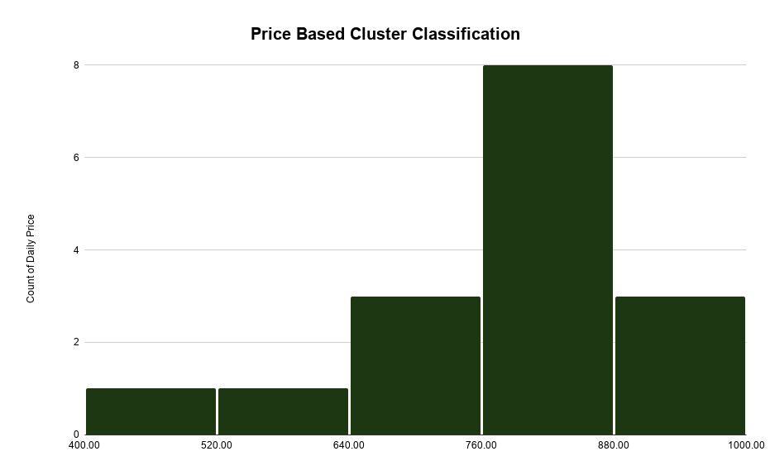
Unit Type | Average | Minimum | Maximum
3BR | 862 | 774 | 950 | Alternative Method
3BR | 774 | 707 | 842 | Ordinary Method

Metrics
ST.Deviation | 127 |  |  | Unit Name | Type | Status | STR Price | Link
Median | 776 |  |  | Spacious Modern 3BR | Self check-in | 3BR | Furnished | 899 | https://www.airbnb.com/rooms/1725604666059844127?check_in=2026-11-01&check_out=2026-11-02&search_mode=regular_search&source_impression_id=p3_d46b2209-6cc2-4365-8cd2-7bda8882cfe8_a372b86b-fee2-4708-8e01-2da147019fae_0_1725604666059844127_1&previous_page_section_name=1000&federated_search_id=d46b2209-6cc2-4365-8cd2-7bda8882cfe8
Average | 774 |  |  | شقة مورث الياسمين 3 غرف | 3BR | Furnished | 615 | https://www.airbnb.com/rooms/1724543887172772859?check_in=2026-11-01&check_out=2026-11-02&search_mode=regular_search&source_impression_id=p3_d46b2209-6cc2-4365-8cd2-7bda8882cfe8_a372b86b-fee2-4708-8e01-2da147019fae_0_1724543887172772859_2&previous_page_section_name=1000&federated_search_id=d46b2209-6cc2-4365-8cd2-7bda8882cfe8
Minimum | 430 |  |  | شقة مورث B1 | 3BR | Furnished | 776 | https://www.airbnb.com/rooms/1282010387192707736?check_in=2026-11-01&check_out=2026-11-02&search_mode=regular_search&source_impression_id=p3_d46b2209-6cc2-4365-8cd2-7bda8882cfe8_a372b86b-fee2-4708-8e01-2da147019fae_0_1282010387192707736_5&previous_page_section_name=1000&federated_search_id=d46b2209-6cc2-4365-8cd2-7bda8882cfe8
Maxim | 950 |  |  | 3BR in Yasmeen+Self Checkin & Netflix Near Airport | 3BR | Furnished | 430 | https://www.airbnb.com/rooms/1767419610027838653?check_in=2026-11-01&check_out=2026-11-02&search_mode=regular_search&source_impression_id=p3_d46b2209-6cc2-4365-8cd2-7bda8882cfe8_a372b86b-fee2-4708-8e01-2da147019fae_0_1767419610027838653_6&previous_page_section_name=1000&federated_search_id=d46b2209-6cc2-4365-8cd2-7bda8882cfe8
 |  |  |  | Stylish Modern Luxury 3BR Apartment | 3BR | Furnished | 792 | https://www.airbnb.com/rooms/1420405571643297849?check_in=2026-11-01&check_out=2026-11-02&search_mode=regular_search&source_impression_id=p3_d46b2209-6cc2-4365-8cd2-7bda8882cfe8_a372b86b-fee2-4708-8e01-2da147019fae_0_1420405571643297849_8&previous_page_section_name=1000&federated_search_id=d46b2209-6cc2-4365-8cd2-7bda8882cfe8
 |  |  |  | شقة فاخرة 3 غرف نوم وغرفة ألعاب | 3BR | Furnished | 720 | https://www.airbnb.com/rooms/1674136255253184811?check_in=2026-11-01&check_out=2026-11-02&search_mode=regular_search&source_impression_id=p3_d46b2209-6cc2-4365-8cd2-7bda8882cfe8_a372b86b-fee2-4708-8e01-2da147019fae_0_1674136255253184811_7&previous_page_section_name=1000&federated_search_id=d46b2209-6cc2-4365-8cd2-7bda8882cfe8
 |  |  |  | شقة مورث A9 | 3BR | Furnished | 776 | https://www.airbnb.com/rooms/1282082240731830982?check_in=2026-11-01&check_out=2026-11-02&search_mode=regular_search&source_impression_id=p3_d46b2209-6cc2-4365-8cd2-7bda8882cfe8_a372b86b-fee2-4708-8e01-2da147019fae_0_1282082240731830982_16&previous_page_section_name=1000&federated_search_id=d46b2209-6cc2-4365-8cd2-7bda8882cfe8
 |  |  |  | Mabaat - Executive - Al Yasmin - 630 | 3BR | Furnished | 859 | https://www.airbnb.com/rooms/1648285070035468022?check_in=2026-11-01&check_out=2026-11-02&search_mode=regular_search&source_impression_id=p3_d46b2209-6cc2-4365-8cd2-7bda8882cfe8_a372b86b-fee2-4708-8e01-2da147019fae_0_1648285070035468022_18&previous_page_section_name=1000&federated_search_id=d46b2209-6cc2-4365-8cd2-7bda8882cfe8
 |  |  |  | Luxury 3-Bedroom Residence in Al Yasmin | 3BR | Furnished | 900 | https://www.airbnb.com/rooms/1621883191914504575?check_in=2026-11-01&check_out=2026-11-02&search_mode=regular_search&source_impression_id=p3_d46b2209-6cc2-4365-8cd2-7bda8882cfe8_a372b86b-fee2-4708-8e01-2da147019fae_0_1621883191914504575_19&previous_page_section_name=1000&federated_search_id=d46b2209-6cc2-4365-8cd2-7bda8882cfe8
 |  |  |  | Mabaat - Executive - Al Yasmin - 629 | 3BR | Furnished | 859 | https://www.airbnb.com/rooms/1653654652261939321?check_in=2026-11-01&check_out=2026-11-02&search_mode=regular_search&source_impression_id=p3_8d1a0895-b0c0-44d1-9731-fc61e8c1d089_bf03d9a4-f17d-4991-9925-3005ff41dbfd_0_1653654652261939321_5&previous_page_section_name=1000&federated_search_id=8d1a0895-b0c0-44d1-9731-fc61e8c1d089
 |  |  |  | Living Space A19 | 3BR | Furnished | 950 | https://www.airbnb.com/rooms/1288557998780849889?check_in=2026-11-01&check_out=2026-11-02&search_mode=regular_search&source_impression_id=p3_8d1a0895-b0c0-44d1-9731-fc61e8c1d089_bf03d9a4-f17d-4991-9925-3005ff41dbfd_0_1288557998780849889_11&previous_page_section_name=1000&federated_search_id=8d1a0895-b0c0-44d1-9731-fc61e8c1d089
 |  |  |  | 3BR+Maid Room Near Riyadh Front Expo+Solitaire Mal | 3BR | Furnished | 758 | https://www.airbnb.com/rooms/1349199807544507277?check_in=2026-11-01&check_out=2026-11-02&search_mode=regular_search&source_impression_id=p3_8d1a0895-b0c0-44d1-9731-fc61e8c1d089_bf03d9a4-f17d-4991-9925-3005ff41dbfd_0_1349199807544507277_14&previous_page_section_name=1000&federated_search_id=8d1a0895-b0c0-44d1-9731-fc61e8c1d089
 |  |  |  | refal h | 3BR | Furnished | 760 | https://www.airbnb.com/rooms/1731378339534694548?check_in=2026-11-01&check_out=2026-11-02&search_mode=regular_search&source_impression_id=p3_8d1a0895-b0c0-44d1-9731-fc61e8c1d089_bf03d9a4-f17d-4991-9925-3005ff41dbfd_0_1731378339534694548_16&previous_page_section_name=1000&federated_search_id=8d1a0895-b0c0-44d1-9731-fc61e8c1d089
 |  |  |  | شقة أساس الفاخرة | 3BR | Furnished | 776 | https://www.airbnb.com/rooms/1326540495344257969?check_in=2026-11-01&check_out=2026-11-02&search_mode=regular_search&source_impression_id=p3_8d1a0895-b0c0-44d1-9731-fc61e8c1d089_bf03d9a4-f17d-4991-9925-3005ff41dbfd_0_1326540495344257969_15&previous_page_section_name=1000&federated_search_id=8d1a0895-b0c0-44d1-9731-fc61e8c1d089
 |  |  |  | شقة أنيقة | 3 غرف وصالة | مناسبة حتى 9 أشخاص وأكثر | 3BR | Furnished | 670 | https://www.airbnb.com/rooms/874750400724779641?check_in=2026-11-01&check_out=2026-11-02&search_mode=regular_search&source_impression_id=p3_1c20c537-801f-4f78-beb4-f990f2942397_aeecf51a-3cb5-41e7-9294-818cbcf94518_0_874750400724779641_1&previous_page_section_name=1000&federated_search_id=1c20c537-801f-4f78-beb4-f990f2942397
 |  |  |  | Mabaat - Al Yasmin 3BR Apt - 605 | 3BR | Furnished | 849 | https://www.airbnb.com/rooms/1441979858152883377?check_in=2026-11-01&check_out=2026-11-02&search_mode=regular_search&source_impression_id=p3_1c20c537-801f-4f78-beb4-f990f2942397_aeecf51a-3cb5-41e7-9294-818cbcf94518_0_1441979858152883377_4&previous_page_section_name=1000&federated_search_id=1c20c537-801f-4f78-beb4-f990f2942397

STR-Regular Financial Study
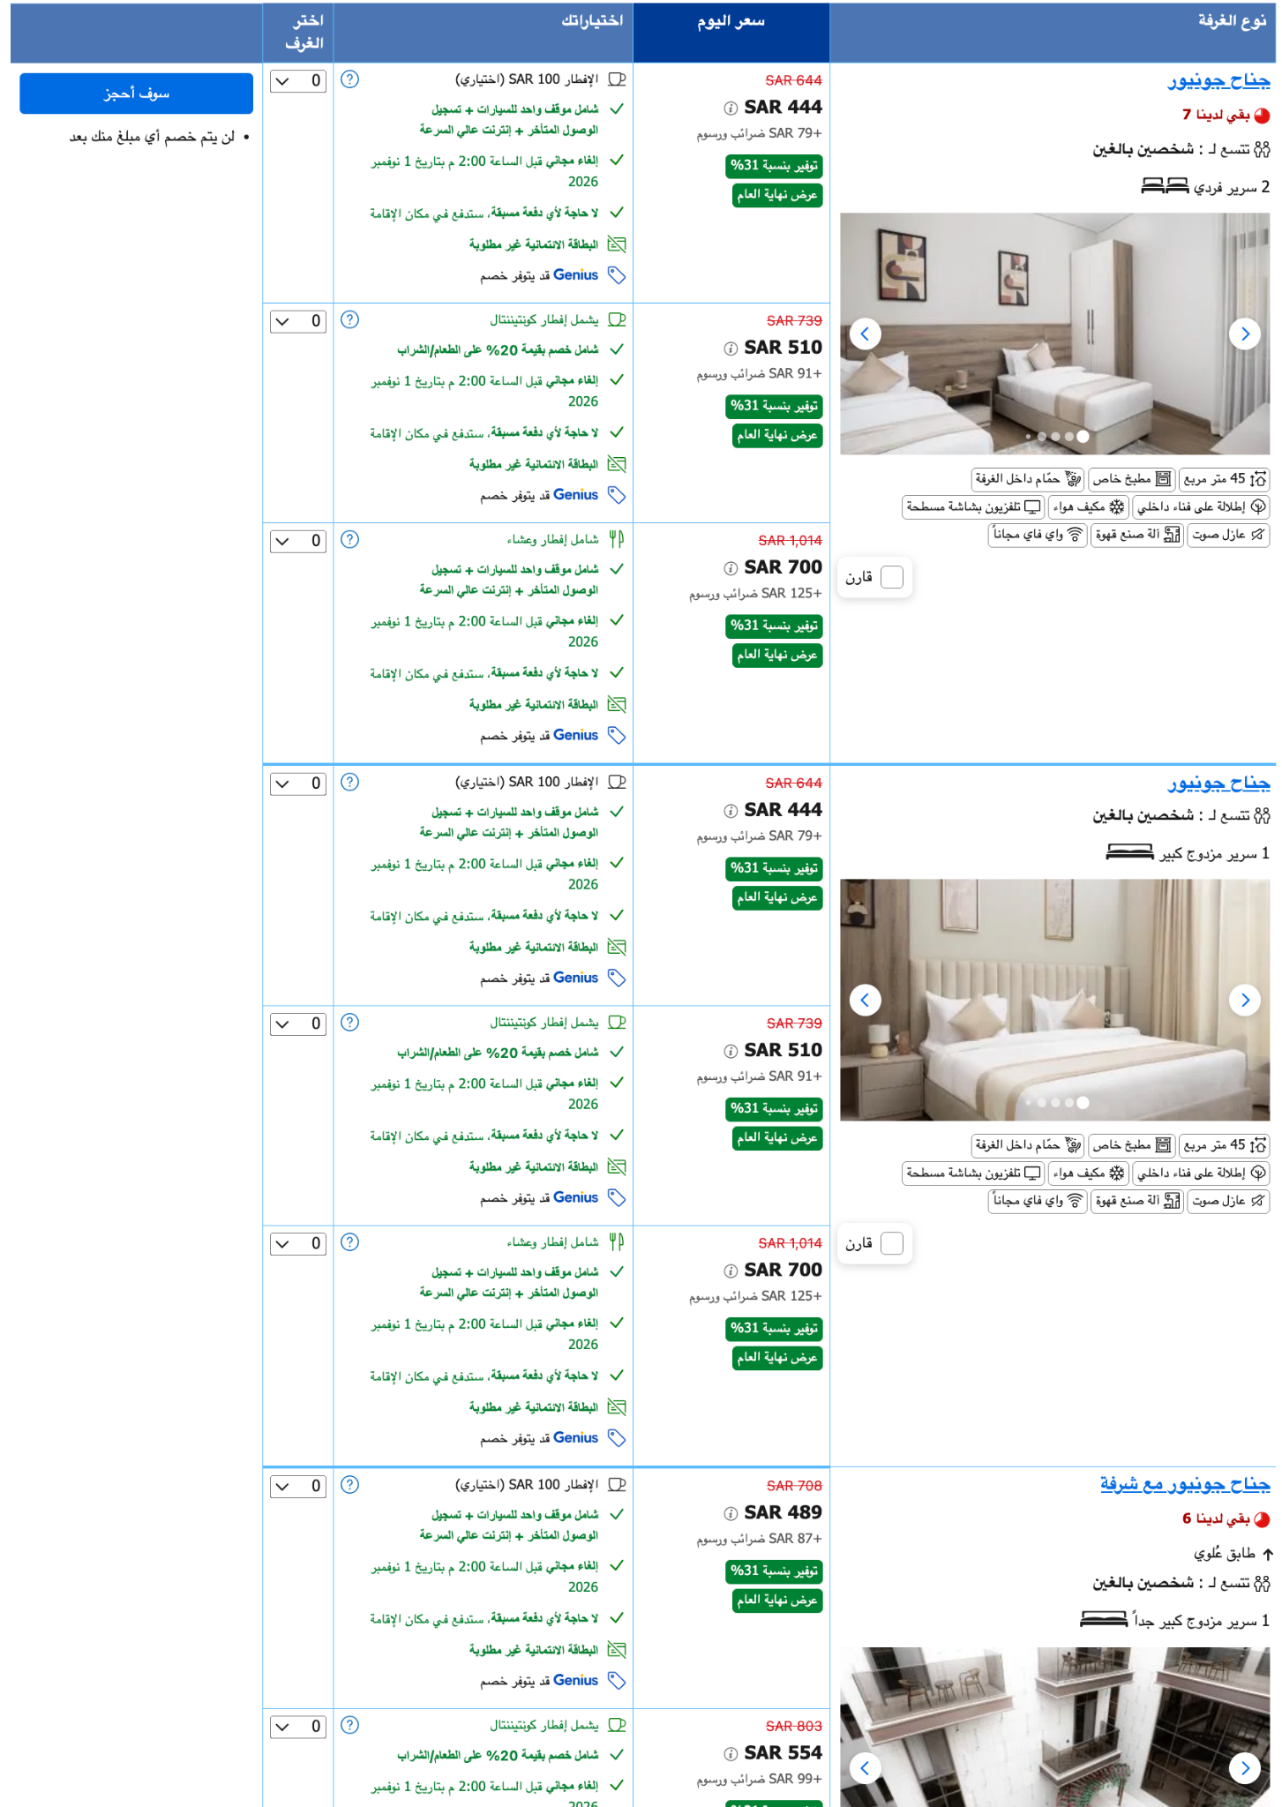
1BR - 54 Units | Best Case | Base Case | Worst Case | Type | Unit
 | 13,470 | 12,189 | 10,890 | 1Bd | A01
 | 13,470 | 12,189 | 10,890 | 1Bd | A02
 | 13,470 | 12,189 | 10,890 | 1Bd | A03
 | 13,470 | 12,189 | 10,890 | 1Bd | A04
 | 13,470 | 12,189 | 10,890 | 1Bd | A05
 | 13,470 | 12,189 | 10,890 | 1Bd | A06
 | 13,470 | 12,189 | 10,890 | 1Bd | A07
 | 13,470 | 12,189 | 10,890 | 1Bd | A08
 | 13,470 | 12,189 | 10,890 | 1Bd | A09
 | 13,470 | 12,189 | 10,890 | 1Bd | A10
 | 13,470 | 12,189 | 10,890 | 1Bd | A11
 | 13,470 | 12,189 | 10,890 | 1Bd | A12
 | 13,470 | 12,189 | 10,890 | 1Bd | A13
 | 13,470 | 12,189 | 10,890 | 1Bd | A14
 | 13,470 | 12,189 | 10,890 | 1Bd | A15
 | 13,470 | 12,189 | 10,890 | 1Bd | A16
 | 13,470 | 12,189 | 10,890 | 1Bd | A17
 | 13,470 | 12,189 | 10,890 | 1Bd | A18
 | 13,470 | 12,189 | 10,890 | 1Bd | A19
 | 13,470 | 12,189 | 10,890 | 1Bd | A20
 | 13,470 | 12,189 | 10,890 | 1Bd | A21
 | 13,470 | 12,189 | 10,890 | 1Bd | A22
 | 13,470 | 12,189 | 10,890 | 1Bd | A23
 | 13,470 | 12,189 | 10,890 | 1Bd | A24
 | 13,470 | 12,189 | 10,890 | 1Bd | A25
 | 13,470 | 12,189 | 10,890 | 1Bd | A26
 | 13,470 | 12,189 | 10,890 | 1Bd | A27
 | 13,470 | 12,189 | 10,890 | 1Bd | A28
 | 13,470 | 12,189 | 10,890 | 1Bd | A29
 | 13,470 | 12,189 | 10,890 | 1Bd | A30
 | 13,470 | 12,189 | 10,890 | 1Bd | A31
 | 13,470 | 12,189 | 10,890 | 1Bd | A32
 | 13,470 | 12,189 | 10,890 | 1Bd | A33
 | 13,470 | 12,189 | 10,890 | 1Bd | A34
 | 13,470 | 12,189 | 10,890 | 1Bd | A35
 | 13,470 | 12,189 | 10,890 | 1Bd | A36
 | 13,470 | 12,189 | 10,890 | 1Bd | A37
 | 13,470 | 12,189 | 10,890 | 1Bd | A38
 | 13,470 | 12,189 | 10,890 | 1Bd | A39
 | 13,470 | 12,189 | 10,890 | 1Bd | A40
 | 13,470 | 12,189 | 10,890 | 1Bd | A41
 | 13,470 | 12,189 | 10,890 | 1Bd | A42
 | 13,470 | 12,189 | 10,890 | 1Bd | A43
 | 13,470 | 12,189 | 10,890 | 1Bd | A44
 | 13,470 | 12,189 | 10,890 | 1Bd | A45
 | 13,470 | 12,189 | 10,890 | 1Bd | A46
 | 13,470 | 12,189 | 10,890 | 1Bd | A47
 | 13,470 | 12,189 | 10,890 | 1Bd | A48
 | 13,470 | 12,189 | 10,890 | 1Bd | A49
 | 13,470 | 12,189 | 10,890 | 1Bd | A50
 | 13,470 | 12,189 | 10,890 | 1Bd | A51
 | 13,470 | 12,189 | 10,890 | 1Bd | A52
 | 13,470 | 12,189 | 10,890 | 1Bd | A53
 | 13,470 | 12,189 | 10,890 | 1Bd | A54
 | 20,670 | 17,571 | 14,490 | 2Bd | B01
 | 20,670 | 17,571 | 14,490 | 2Bd | B02
 | 20,670 | 17,571 | 14,490 | 2Bd | B03
 | 20,670 | 17,571 | 14,490 | 2Bd | B04
 | 20,670 | 17,571 | 14,490 | 2Bd | B05
 | 20,670 | 17,571 | 14,490 | 2Bd | B06
 | 20,670 | 17,571 | 14,490 | 2Bd | B07
 | 20,670 | 17,571 | 14,490 | 2Bd | B08
 | 20,670 | 17,571 | 14,490 | 2Bd | B09
 | 20,670 | 17,571 | 14,490 | 2Bd | B10
 | 20,670 | 17,571 | 14,490 | 2Bd | B11
 | 20,670 | 17,571 | 14,490 | 2Bd | B12
 | 20,670 | 17,571 | 14,490 | 2Bd | B13
 | 20,670 | 17,571 | 14,490 | 2Bd | B14
 | 20,670 | 17,571 | 14,490 | 2Bd | B15
 | 20,670 | 17,571 | 14,490 | 2Bd | B16
 | 20,670 | 17,571 | 14,490 | 2Bd | B17
 | 20,670 | 17,571 | 14,490 | 2Bd | B18
 | 20,670 | 17,571 | 14,490 | 2Bd | B19
 | 20,670 | 17,571 | 14,490 | 2Bd | B20
 | 20,670 | 17,571 | 14,490 | 2Bd | B21
 | 20,670 | 17,571 | 14,490 | 2Bd | B22
 | 20,670 | 17,571 | 14,490 | 2Bd | B23
 | 20,670 | 17,571 | 14,490 | 2Bd | B24
 | 20,670 | 17,571 | 14,490 | 2Bd | B25
 | 20,670 | 17,571 | 14,490 | 2Bd | B26
 | 20,670 | 17,571 | 14,490 | 2Bd | B27
 | 20,670 | 17,571 | 14,490 | 2Bd | B28
 | 20,670 | 17,571 | 14,490 | 2Bd | B29
 | 25,260 | 23,229 | 21,210 | 3BR | C01
 | 25,260 | 23,229 | 21,210 | 3BR | C02
 | 25,260 | 23,229 | 21,210 | 3BR | C03

 | 16,831,080 | 14,849,411 | 12,862,800 | Total

STR-Regular Study Summary


 |  |  |  |  |  | No. of units | Type
 |  |  |  |  |  | 54 | 1Bd
 |  |  |  |  |  | 29 | 2Bd
 |  |  |  |  |  | 3 | 3BR

 | Financial Study - Leora
 | Worst Case |  |  |  |  | Base Case |  |  |  |  | Best Case |  |  |  |  | Scenarios
 | 12,862,800 |  |  |  |  | 14,849,411 |  |  |  |  | 16,831,080 |  |  |  |  | Revenue at 100% occupancy
 | 50% | 60% | 70% | 80% | 90.00% | 50% | 60% | 70% | 80% | 90% | 50.00% | 60.00% | 70.00% | 80.00% | 90.00% | Varying occupancy scenario
 | 6,431,400 | 7,717,680 | 9,003,960 | 10,290,240 | 11,576,520 | 7,424,705 | 8,909,646 | 10,394,587 | 11,879,528 | 13,364,469 | 8,415,540 | 10,098,648 | 11,781,756 | 13,464,864 | 15,147,972 | Revenue pre deductions
 | 5,466,690 | 6,560,028 | 7,653,366 | 8,746,704 | 9,840,042 | 6,310,999 | 7,573,199 | 8,835,399 | 10,097,599 | 11,359,799 | 7,153,209 | 8,583,851 | 10,014,493 | 11,445,134 | 12,875,776 | Post-OTA Revenues
 |  |  |  |  |  |  |  |  |  |  |  |  |  |  |  | 15%
 | 4,537,353 | 5,444,823 | 6,352,294 | 7,259,764 | 8,167,235 | 5,238,130 | 6,285,755 | 7,333,381 | 8,381,007 | 9,428,633 | 5,937,163 | 7,124,596 | 8,312,029 | 9,499,462 | 10,686,894 | Net Revenue After deducting operaror fees
 |  |  |  |  |  |  |  |  |  |  |  |  |  |  |  | 17%

 | 52,760 | 63,312 | 73,864 | 84,416 | 94,968 | 60,908 | 73,090 | 85,272 | 97,454 | 109,635 | 69,037 | 82,844 | 96,651 | 110,459 | 124,266 | Annual Revenue Per Unit
 | 4,397 | 5,276 | 6,155 | 7,035 | 7,914 | 5,076 | 6,091 | 7,106 | 8,121 | 9,136 | 5,753 | 6,904 | 8,054 | 9,205 | 10,356 | Monthly Revenue Per Unit

 | 929,337 | 1,115,205 | 1,301,072 | 1,486,940 | 1,672,807 | 1,072,870 | 1,287,444 | 1,502,018 | 1,716,592 | 1,931,166 | 1,216,046 | 1,459,255 | 1,702,464 | 1,945,673 | 2,188,882 | Operator Annual Revenue
 | 77,445 | 92,934 | 108,423 | 123,912 | 139,401 | 89,406 | 107,287 | 125,168 | 143,049 | 160,930 | 101,337 | 121,605 | 141,872 | 162,139 | 182,407 | Operator Monthly Revenue

Ltr-1BR-Master-Data
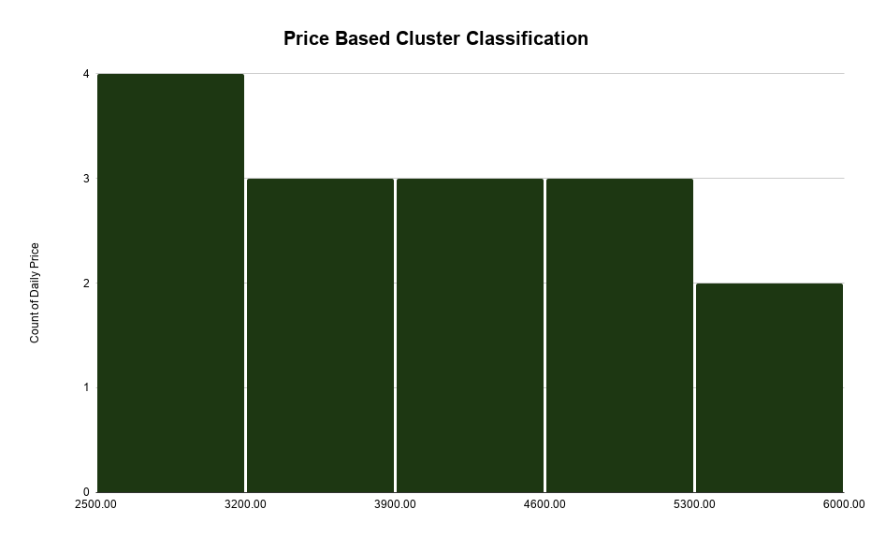
Unit Type | Average | Minimum | Maximum
1Bd | 5195 | 4,500 | 5,889 | Alternative Method
1Bd | 4,500 | 4200 | 4900 | Ordinary Method

Metrics
ST.Deviation | 1036 |  |  | Unit Name | Type | Status | LTR Price | Link
Median | 4,000 |  |  | 1 Bedroom Studio For Rent in Al Yasmin, Riyadh شقق أكنان العز | 1Bd | Furnished | 3,000 | https://www.bayut.sa/%D8%A7%D9%84%D8%B9%D9%82%D8%A7%D8%B1/%D8%AA%D9%81%D8%A7%D8%B5%D9%8A%D9%84-87977183.html
Average | 4,059 |  |  | غرفة وصالة في حي الياسمين | 1Bd | Furnished | 5,000 | https://www.bayut.sa/%D8%A7%D9%84%D8%B9%D9%82%D8%A7%D8%B1/%D8%AA%D9%81%D8%A7%D8%B5%D9%8A%D9%84-87968877.html
Minimum | 2,833 |  |  | شقة للإيجار في الياسمين، شمال الرياض | 1Bd | Furnished | 4,000 | https://www.bayut.sa/%D8%A7%D9%84%D8%B9%D9%82%D8%A7%D8%B1/%D8%AA%D9%81%D8%A7%D8%B5%D9%8A%D9%84-87800815.html
Maximum | 5,889 |  |  | ستوديو #1 | 1Bd | Furnished | 3,750 | https://www.bayut.sa/%D8%A7%D9%84%D8%B9%D9%82%D8%A7%D8%B1/%D8%AA%D9%81%D8%A7%D8%B5%D9%8A%D9%84-87908124.html
 |  |  |  | شقة للايجار في حي الياسمين، شمال الرياض | 1Bd | Furnished | 2,833 | https://www.bayut.sa/%D8%A7%D9%84%D8%B9%D9%82%D8%A7%D8%B1/%D8%AA%D9%81%D8%A7%D8%B5%D9%8A%D9%84-88038303.html
 |  |  |  | 1 Bedroom Apartment For Rent in Al Yasmin, Riyadh شقق أكنان العز | 1Bd | Furnished | 3,500 | https://www.bayut.sa/%D8%A7%D9%84%D8%B9%D9%82%D8%A7%D8%B1/%D8%AA%D9%81%D8%A7%D8%B5%D9%8A%D9%84-87964958.html
 |  |  |  | شقة مفروشة من غرفة نوم واحدة للإيجار في الياسمين، الرياض | 1Bd | Furnished | 5,889 | https://www.bayut.sa/%D8%A7%D9%84%D8%B9%D9%82%D8%A7%D8%B1/%D8%AA%D9%81%D8%A7%D8%B5%D9%8A%D9%84-87997915.html
 |  |  |  | شقة للإيجار في الياسمين، شمال الرياض | 1Bd | Furnished | 5,000 | https://www.bayut.sa/%D8%A7%D9%84%D8%B9%D9%82%D8%A7%D8%B1/%D8%AA%D9%81%D8%A7%D8%B5%D9%8A%D9%84-88018571.html
 |  |  |  | شقق أكنان العز شقة للإيجار السنوي – الرياض | حي الياسمين | 1Bd | Furnished | 3,208 | https://www.bayut.sa/%D8%A7%D9%84%D8%B9%D9%82%D8%A7%D8%B1/%D8%AA%D9%81%D8%A7%D8%B5%D9%8A%D9%84-88039175.html
 |  |  |  | شقق أكنان العز شقة الياسمين – للإيجار السنوي | 1Bd | Furnished | 4042 | https://www.bayut.sa/%D8%A7%D9%84%D8%B9%D9%82%D8%A7%D8%B1/%D8%AA%D9%81%D8%A7%D8%B5%D9%8A%D9%84-88039172.html
 |  |  |  | شقة للايجار في حي الياسمين، شمال الرياض | 1Bd | Furnished | 2833 | https://www.bayut.sa/%D8%A7%D9%84%D8%B9%D9%82%D8%A7%D8%B1/%D8%AA%D9%81%D8%A7%D8%B5%D9%8A%D9%84-88038301.html
 |  |  |  | شقة للايجار في حي الياسمين، شمال الرياض | 1Bd | Furnished | 2833 | https://www.bayut.sa/%D8%A7%D9%84%D8%B9%D9%82%D8%A7%D8%B1/%D8%AA%D9%81%D8%A7%D8%B5%D9%8A%D9%84-88038302.html
 |  |  |  | شقة مفروشة بغرفة نوم واحدة للإيجار في الياسمن، الرياض | 1Bd | Furnished | 5500 | https://www.bayut.sa/%D8%A7%D9%84%D8%B9%D9%82%D8%A7%D8%B1/%D8%AA%D9%81%D8%A7%D8%B5%D9%8A%D9%84-87974195.html
 |  |  |  | غرفة وصالة في حي الياسمين | 1Bd | Furnished | 5000 | https://www.bayut.sa/%D8%A7%D9%84%D8%B9%D9%82%D8%A7%D8%B1/%D8%AA%D9%81%D8%A7%D8%B5%D9%8A%D9%84-87968877.html
 |  |  |  | شقة للايجار في الياسمين، شمال الرياض | 1Bd | Furnished | 4500 | https://www.bayut.sa/%D8%A7%D9%84%D8%B9%D9%82%D8%A7%D8%B1/%D8%AA%D9%81%D8%A7%D8%B5%D9%8A%D9%84-88032679.html

LTR-2BR-Master-Data
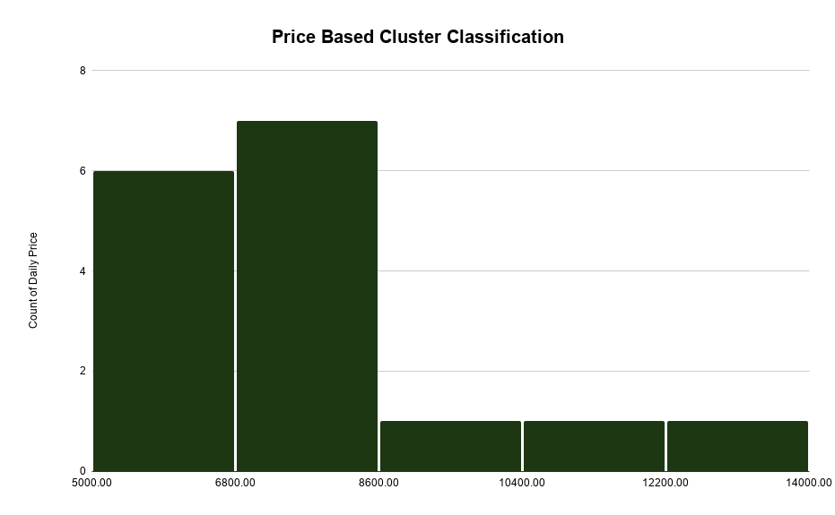
Unit Type | Average | Minimum | Maximum
2Bd | 10631 | 7,763 | 13,500 | Alternative Method
2Bd | 7,763 | 6,730 | 8,796 | Ordinary Method

Metrics
ST.Deviation | 1938 |  |  | Unit Name | Type | Status | STR Price | Link
Median | 7,083 |  |  | شقة للإيجار في شارع الخيالة, حي الياسمين, مدينة الرياض, منطقة الرياض | 2Bd | Furnished | 7,083 | https://sa.aqar.fm/%D8%B4%D9%82%D9%82-%D9%84%D9%84%D8%A5%D9%8A%D8%AC%D8%A7%D8%B1/%D8%A7%D9%84%D8%B1%D9%8A%D8%A7%D8%B6/%D8%B4%D9%85%D8%A7%D9%84-%D8%A7%D9%84%D8%B1%D9%8A%D8%A7%D8%B6/%D8%AD%D9%8A-%D8%A7%D9%84%D9%8A%D8%A7%D8%B3%D9%85%D9%8A%D9%86/%D8%B4%D8%A7%D8%B1%D8%B9-%D8%A7%D9%84%D8%AE%D9%8A%D8%A7%D9%84%D8%A9-%D8%AD%D9%8A-%D8%A7%D9%84%D9%8A%D8%A7%D8%B3%D9%85%D9%8A%D9%86-%D9%85%D8%AF%D9%8A%D9%86%D8%A9-%D8%A7%D9%84%D8%B1%D9%8A%D8%A7%D8%B6-%D9%85%D9%86%D8%B7%D9%82%D8%A9-%D8%A7%D9%84%D8%B1%D9%8A%D8%A7%D8%B6-6804404
Average | 7,763 |  |  | شقة للإيجار في شارع الفجر, حي الياسمين, مدينة الرياض, منطقة الرياض | 2Bd | Furnished | 6,667 | https://sa.aqar.fm/%D8%B4%D9%82%D9%82-%D9%84%D9%84%D8%A5%D9%8A%D8%AC%D8%A7%D8%B1/%D8%A7%D9%84%D8%B1%D9%8A%D8%A7%D8%B6/%D8%B4%D9%85%D8%A7%D9%84-%D8%A7%D9%84%D8%B1%D9%8A%D8%A7%D8%B6/%D8%AD%D9%8A-%D8%A7%D9%84%D9%8A%D8%A7%D8%B3%D9%85%D9%8A%D9%86/%D8%B4%D8%A7%D8%B1%D8%B9-%D8%A7%D9%84%D9%81%D8%AC%D8%B1-%D8%AD%D9%8A-%D8%A7%D9%84%D9%8A%D8%A7%D8%B3%D9%85%D9%8A%D9%86-%D9%85%D8%AF%D9%8A%D9%86%D8%A9-%D8%A7%D9%84%D8%B1%D9%8A%D8%A7%D8%B6-%D9%85%D9%86%D8%B7%D9%82%D8%A9-%D8%A7%D9%84%D8%B1%D9%8A%D8%A7%D8%B6-6816735
Minimum | 5,417 |  |  | شقة للإيجار في شارع القادسية, حي الياسمين, مدينة الرياض, منطقة الرياض | 2Bd | Furnished | 10,500 | https://sa.aqar.fm/%D8%B4%D9%82%D9%82-%D9%84%D9%84%D8%A5%D9%8A%D8%AC%D8%A7%D8%B1/%D8%A7%D9%84%D8%B1%D9%8A%D8%A7%D8%B6/%D8%B4%D9%85%D8%A7%D9%84-%D8%A7%D9%84%D8%B1%D9%8A%D8%A7%D8%B6/%D8%AD%D9%8A-%D8%A7%D9%84%D9%8A%D8%A7%D8%B3%D9%85%D9%8A%D9%86/%D8%B4%D8%A7%D8%B1%D8%B9-%D8%A7%D9%84%D9%82%D8%A7%D8%AF%D8%B3%D9%8A%D8%A9-%D8%AD%D9%8A-%D8%A7%D9%84%D9%8A%D8%A7%D8%B3%D9%85%D9%8A%D9%86-%D9%85%D8%AF%D9%8A%D9%86%D8%A9-%D8%A7%D9%84%D8%B1%D9%8A%D8%A7%D8%B6-%D9%85%D9%86%D8%B7%D9%82%D8%A9-%D8%A7%D9%84%D8%B1%D9%8A%D8%A7%D8%B6-6529452
Maximum | 13,500 |  |  | شقة للإيجار في شارع القادسية, حي الياسمين, مدينة الرياض, منطقة الرياض | 2Bd | Furnished | 13,500 | https://sa.aqar.fm/%D8%B4%D9%82%D9%82-%D9%84%D9%84%D8%A5%D9%8A%D8%AC%D8%A7%D8%B1/%D8%A7%D9%84%D8%B1%D9%8A%D8%A7%D8%B6/%D8%B4%D9%85%D8%A7%D9%84-%D8%A7%D9%84%D8%B1%D9%8A%D8%A7%D8%B6/%D8%AD%D9%8A-%D8%A7%D9%84%D9%8A%D8%A7%D8%B3%D9%85%D9%8A%D9%86/%D8%B4%D8%A7%D8%B1%D8%B9-%D8%A7%D9%84%D9%82%D8%A7%D8%AF%D8%B3%D9%8A%D8%A9-%D8%AD%D9%8A-%D8%A7%D9%84%D9%8A%D8%A7%D8%B3%D9%85%D9%8A%D9%86-%D9%85%D8%AF%D9%8A%D9%86%D8%A9-%D8%A7%D9%84%D8%B1%D9%8A%D8%A7%D8%B6-%D9%85%D9%86%D8%B7%D9%82%D8%A9-%D8%A7%D9%84%D8%B1%D9%8A%D8%A7%D8%B6-6636357
 |  |  |  | شقة للإيجار في شارع الأمير عبدالعزيز بن محمد بن عياف, حي الياسمين, مدينة الرياض, منطقة الرياض | 2Bd | Furnished | 6,667 | https://sa.aqar.fm/%D8%B4%D9%82%D9%82-%D9%84%D9%84%D8%A5%D9%8A%D8%AC%D8%A7%D8%B1/%D8%A7%D9%84%D8%B1%D9%8A%D8%A7%D8%B6/%D8%B4%D9%85%D8%A7%D9%84-%D8%A7%D9%84%D8%B1%D9%8A%D8%A7%D8%B6/%D8%AD%D9%8A-%D8%A7%D9%84%D9%8A%D8%A7%D8%B3%D9%85%D9%8A%D9%86/%D8%B4%D8%A7%D8%B1%D8%B9-%D8%A7%D9%84%D8%A3%D9%85%D9%8A%D8%B1-%D8%B9%D8%A8%D8%AF%D8%A7%D9%84%D8%B9%D8%B2%D9%8A%D8%B2-%D8%A8%D9%86-%D9%85%D8%AD%D9%85%D8%AF-%D8%A8%D9%86-%D8%B9%D9%8A%D8%A7%D9%81-%D8%AD%D9%8A-%D8%A7%D9%84%D9%8A%D8%A7%D8%B3%D9%85%D9%8A%D9%86-%D8%A7%D9%84%D8%B1%D9%8A%D8%A7%D8%B6-6127122
 |  |  |  | شقة للإيجار في شارع شهيد الدين ثم الوطن عبدالله عبدالرحمن, حي الياسمين, مدينة الرياض, منطقة الرياض | 2Bd | Furnished | 7,900 | https://sa.aqar.fm/%D8%B4%D9%82%D9%82-%D9%84%D9%84%D8%A5%D9%8A%D8%AC%D8%A7%D8%B1/%D8%A7%D9%84%D8%B1%D9%8A%D8%A7%D8%B6/%D8%B4%D9%85%D8%A7%D9%84-%D8%A7%D9%84%D8%B1%D9%8A%D8%A7%D8%B6/%D8%AD%D9%8A-%D8%A7%D9%84%D9%8A%D8%A7%D8%B3%D9%85%D9%8A%D9%86/%D8%B4%D8%A7%D8%B1%D8%B9-%D8%B4%D9%87%D9%8A%D8%AF-%D8%A7%D9%84%D8%AF%D9%8A%D9%86-%D8%AB%D9%85-%D8%A7%D9%84%D9%88%D8%B7%D9%86-%D8%B9%D8%A8%D8%AF%D8%A7%D9%84%D9%84%D9%87-%D8%B9%D8%A8%D8%AF%D8%A7%D9%84%D8%B1%D8%AD%D9%85%D9%86-%D8%AD%D9%8A-%D8%A7%D9%84%D9%8A%D8%A7%D8%B3%D9%85%D9%8A%D9%86-%D9%85%D8%AF%D9%8A%D9%86%D8%A9-%D8%A7%D9%84%D8%B1%D9%8A%D8%A7%D8%B6-%D9%85%D9%86%D8%B7%D9%82%D8%A9-%D8%A7%D9%84%D8%B1%D9%8A%D8%A7%D8%B6-6636931
 |  |  |  | شقة للإيجار في شارع رقم 190, حي الياسمين, مدينة الرياض, منطقة الرياض | 2Bd | Furnished | 8,333 | https://sa.aqar.fm/%D8%B4%D9%82%D9%82-%D9%84%D9%84%D8%A5%D9%8A%D8%AC%D8%A7%D8%B1/%D8%A7%D9%84%D8%B1%D9%8A%D8%A7%D8%B6/%D8%B4%D9%85%D8%A7%D9%84-%D8%A7%D9%84%D8%B1%D9%8A%D8%A7%D8%B6/%D8%AD%D9%8A-%D8%A7%D9%84%D9%8A%D8%A7%D8%B3%D9%85%D9%8A%D9%86/%D8%B4%D8%A7%D8%B1%D8%B9-%D8%B1%D9%82%D9%85-190-%D8%AD%D9%8A-%D8%A7%D9%84%D9%8A%D8%A7%D8%B3%D9%85%D9%8A%D9%86-%D8%A7%D9%84%D8%B1%D9%8A%D8%A7%D8%B6-%D9%85%D9%86%D8%B7%D9%82%D8%A9-%D8%A7%D9%84%D8%B1%D9%8A%D8%A7%D8%B6-6824861
 |  |  |  | شقة للإيجار في شارع شارع رقم 163, حي الياسمين, مدينة الرياض, منطقة الرياض | 2Bd | Furnished | 6,250 | https://sa.aqar.fm/%D8%B4%D9%82%D9%82-%D9%84%D9%84%D8%A5%D9%8A%D8%AC%D8%A7%D8%B1/%D8%A7%D9%84%D8%B1%D9%8A%D8%A7%D8%B6/%D8%B4%D9%85%D8%A7%D9%84-%D8%A7%D9%84%D8%B1%D9%8A%D8%A7%D8%B6/%D8%AD%D9%8A-%D8%A7%D9%84%D9%8A%D8%A7%D8%B3%D9%85%D9%8A%D9%86/%D8%B4%D8%A7%D8%B1%D8%B9-%D8%B1%D9%82%D9%85-163-%D8%AD%D9%8A-%D8%A7%D9%84%D9%86%D8%B1%D8%AC%D8%B3-%D8%A7%D9%84%D8%B1%D9%8A%D8%A7%D8%B6-%D9%85%D9%86%D8%B7%D9%82%D8%A9-%D8%A7%D9%84%D8%B1%D9%8A%D8%A7%D8%B6-6607304
 |  |  |  | شقة للإيجار في شارع رقم 228, حي الياسمين, مدينة الرياض, منطقة الرياض | 2Bd | Furnished | 7,083 | https://sa.aqar.fm/%D8%B4%D9%82%D9%82-%D9%84%D9%84%D8%A5%D9%8A%D8%AC%D8%A7%D8%B1/%D8%A7%D9%84%D8%B1%D9%8A%D8%A7%D8%B6/%D8%B4%D9%85%D8%A7%D9%84-%D8%A7%D9%84%D8%B1%D9%8A%D8%A7%D8%B6/%D8%AD%D9%8A-%D8%A7%D9%84%D9%8A%D8%A7%D8%B3%D9%85%D9%8A%D9%86/%D8%B4%D8%A7%D8%B1%D8%B9-%D8%B1%D9%82%D9%85-228-%D8%AD%D9%8A-%D8%A7%D9%84%D9%8A%D8%A7%D8%B3%D9%85%D9%8A%D9%86-%D9%85%D8%AF%D9%8A%D9%86%D8%A9-%D8%A7%D9%84%D8%B1%D9%8A%D8%A7%D8%B6-%D9%85%D9%86%D8%B7%D9%82%D8%A9-%D8%A7%D9%84%D8%B1%D9%8A%D8%A7%D8%B6-6852791
 |  |  |  | ستاي الياسمين | 2Bd | Furnished | 8990 | https://www.bayut.sa/%D8%A7%D9%84%D8%B9%D9%82%D8%A7%D8%B1/%D8%AA%D9%81%D8%A7%D8%B5%D9%8A%D9%84-87781506.html
 |  |  |  | حياة عصرية تبدأ من هنا – سكن راقٍ في الماجدية مع ستاي | 2Bd | Furnished | 7900 | https://www.bayut.sa/%D8%A7%D9%84%D8%B9%D9%82%D8%A7%D8%B1/%D8%AA%D9%81%D8%A7%D8%B5%D9%8A%D9%84-87780267.html
 |  |  |  | شقة للايجار في حي الياسمين، شمال الرياض | 2Bd | Furnished | 6667 | https://www.bayut.sa/%D8%A7%D9%84%D8%B9%D9%82%D8%A7%D8%B1/%D8%AA%D9%81%D8%A7%D8%B5%D9%8A%D9%84-87986874.html
 |  |  |  | شقة مؤثثة جديدة في حي الياسمين | 2Bd | Furnished | 7083 | https://www.bayut.sa/%D8%A7%D9%84%D8%B9%D9%82%D8%A7%D8%B1/%D8%AA%D9%81%D8%A7%D8%B5%D9%8A%D9%84-88088914.html
 |  |  |  | شقة للإيجار في الياسمين، الرياض | 2Bd | Furnished | 5417 | https://www.bayut.sa/%D8%A7%D9%84%D8%B9%D9%82%D8%A7%D8%B1/%D8%AA%D9%81%D8%A7%D8%B5%D9%8A%D9%84-88009676.html
 |  |  |  | شقة من غرفتين للإيجار في الياسمين، الرياض | 2Bd | Furnished | 6667 | https://www.bayut.sa/%D8%A7%D9%84%D8%B9%D9%82%D8%A7%D8%B1/%D8%AA%D9%81%D8%A7%D8%B5%D9%8A%D9%84-88054713.html
 |  |  |  | شقه #8 | 2Bd | Furnished | 7500 | https://www.bayut.sa/%D8%A7%D9%84%D8%B9%D9%82%D8%A7%D8%B1/%D8%AA%D9%81%D8%A7%D8%B5%D9%8A%D9%84-87948276.html

LTR-3BR-Master-Data
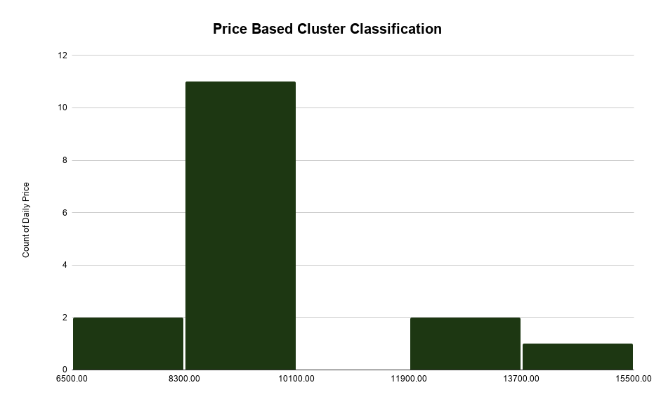
Unit Type | Average | Minimum | Maximum
3BR | 12396 | 9,792 | 15,000 | Alternative Method
3BR | 9,792 | 8,617 | 10500 | Ordinary Method

Metrics
ST.Deviation | 2205 |  |  | Unit Name | Type | Status | LTR Price | Link
Median | 9,375 |  |  | سكن عائلي متكامل | شقة 3 غرف - الياسمين | 3BR | Furnished | 8,333 | https://www.bayut.sa/%D8%A7%D9%84%D8%B9%D9%82%D8%A7%D8%B1/%D8%AA%D9%81%D8%A7%D8%B5%D9%8A%D9%84-88112053.html
Average | 9,792 |  |  | شقة مؤثثة بحي الياسمين | 3BR | Furnished | 10,000 | https://www.bayut.sa/%D8%A7%D9%84%D8%B9%D9%82%D8%A7%D8%B1/%D8%AA%D9%81%D8%A7%D8%B5%D9%8A%D9%84-88051341.html
Minimum | 6,667 |  |  | شقق 3 غرف نوم للإيجار الشهري & السنوي في الياسمين، الرياض | 3BR | Furnished | 12,917 | https://www.bayut.sa/%D8%A7%D9%84%D8%B9%D9%82%D8%A7%D8%B1/%D8%AA%D9%81%D8%A7%D8%B5%D9%8A%D9%84-88122226.html
Maxim | 15,000 |  |  | شقة 3 غرف نوم، مرافق متكاملة | حي الياسمين - ساتل | 3BR | Furnished | 8,333 | https://www.bayut.sa/%D8%A7%D9%84%D8%B9%D9%82%D8%A7%D8%B1/%D8%AA%D9%81%D8%A7%D8%B5%D9%8A%D9%84-88112063.html
 |  |  |  | شقة للايجار في الماجدية حي الياسمين | 3BR | Furnished | 10,000 | https://www.bayut.sa/%D8%A7%D9%84%D8%B9%D9%82%D8%A7%D8%B1/%D8%AA%D9%81%D8%A7%D8%B5%D9%8A%D9%84-88105658.html
 |  |  |  | شقة مكونة من 3 غرف نوم للإيجار في الياقوت، الرياض | 3BR | Furnished | 13,333 | https://www.bayut.sa/%D8%A7%D9%84%D8%B9%D9%82%D8%A7%D8%B1/%D8%AA%D9%81%D8%A7%D8%B5%D9%8A%D9%84-87997094.html
 |  |  |  | شقة ثلاث غرف نوم و مجلس مفروشة | 3BR | Furnished | 10,000 | https://www.bayut.sa/%D8%A7%D9%84%D8%B9%D9%82%D8%A7%D8%B1/%D8%AA%D9%81%D8%A7%D8%B5%D9%8A%D9%84-88105258.html
 |  |  |  | شقق 3 غرف نوم للإيجار الشهري & السنوي في الياسمين، الرياض | 3BR | Furnished | 15,000 | https://www.bayut.sa/%D8%A7%D9%84%D8%B9%D9%82%D8%A7%D8%B1/%D8%AA%D9%81%D8%A7%D8%B5%D9%8A%D9%84-88122229.html
 |  |  |  | شقة مؤثثة للإيجار في حي الياسمين – الرياض | 3BR | Furnished | 9,583 | https://www.bayut.sa/%D8%A7%D9%84%D8%B9%D9%82%D8%A7%D8%B1/%D8%AA%D9%81%D8%A7%D8%B5%D9%8A%D9%84-88125765.html
 |  |  |  | للايجار شقة مميزة في حي الياسمين | 3BR | Furnished | 6667 | https://www.bayut.sa/%D8%A7%D9%84%D8%B9%D9%82%D8%A7%D8%B1/%D8%AA%D9%81%D8%A7%D8%B5%D9%8A%D9%84-88100123.html
 |  |  |  | شقة مفروشة في حي الياسمين الماجدية9 | 3BR | Furnished | 10000 | https://www.bayut.sa/%D8%A7%D9%84%D8%B9%D9%82%D8%A7%D8%B1/%D8%AA%D9%81%D8%A7%D8%B5%D9%8A%D9%84-88039158.html
 |  |  |  | شقة مكونة من 3 غرف للإيجار في الياسمين | 3BR | Furnished | 8333 | https://www.bayut.sa/%D8%A7%D9%84%D8%B9%D9%82%D8%A7%D8%B1/%D8%AA%D9%81%D8%A7%D8%B5%D9%8A%D9%84-87999566.html
 |  |  |  | شقة للإيجار في الياسمين، الرياض | 3BR | Furnished | 9167 | https://www.bayut.sa/%D8%A7%D9%84%D8%B9%D9%82%D8%A7%D8%B1/%D8%AA%D9%81%D8%A7%D8%B5%D9%8A%D9%84-88062332.html
 |  |  |  | شقة للايجار في الياسمين , الرياض | 3BR | Furnished | 8750 | https://www.bayut.sa/%D8%A7%D9%84%D8%B9%D9%82%D8%A7%D8%B1/%D8%AA%D9%81%D8%A7%D8%B5%D9%8A%D9%84-87908659.html
 |  |  |  | شقة مؤثثة 3 غرف نوم للإيجار | 3BR | Furnished | 8333 | https://www.bayut.sa/%D8%A7%D9%84%D8%B9%D9%82%D8%A7%D8%B1/%D8%AA%D9%81%D8%A7%D8%B5%D9%8A%D9%84-87948643.html
 |  |  |  | شقه #7 | 3BR | Furnished | 7917 | https://www.bayut.sa/%D8%A7%D9%84%D8%B9%D9%82%D8%A7%D8%B1/%D8%AA%D9%81%D8%A7%D8%B5%D9%8A%D9%84-87948271.html

